riskflags
TOTAL_EMERGING_COMPOUND_RISK_SCORE | TOTAL_EXISTING_COMPOUND_RISK_SCORE_INCMEDIUM | TOTAL_EMERGING_COMPOUND_RISK_SCORE_INCMEDIUM | RELIABILITY_SCORE_EXISTING_RISK | RELIABILITY_SCORE_EMERGING_RISK
3 | 7 | 4 | 0 | 0.071428571429
2 | 0.5 | 2.5 | 0.125 | 0.21428571429
1 | 0.5 | 1.5 | 0.125 | 0.2619047619
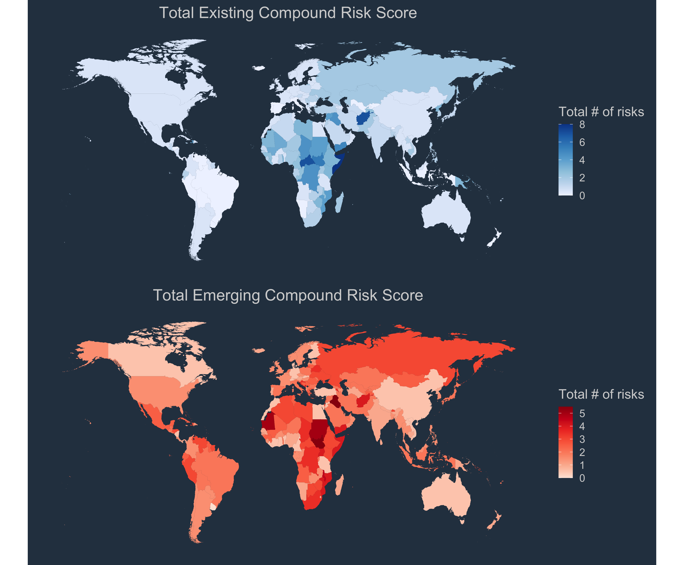
1 | 1 | 2 | 0.125 | 0.2380952381
1 | 0.5 | 1.5 | 0.125 | 0.33333333333
3 | 0.5 | 3.5 | 0.125 | 0.2619047619
2 | 1 | 3 | 0.375 | 0.33333333333
0 | 0.5 | 0.5 | 0.125 | 0.54761904762
0 | 1 | 1 | 0.125 | 0.59523809524
1 | 0.5 | 1.5 | 0.125 | 0.2619047619
1 | 3 | 2 | 0.125 | 0.21428571429
1 | 0.5 | 1.5 | 0.125 | 0.59523809524
0 | 0.5 | 0.5 | 0 | 0.2619047619
1 | 0.5 | 1.5 | 0 | 0.071428571429
0 | 1.5 | 1.5 | 0 | 0.14285714286
2 | 0 | 2 | 0.125 | 0.2380952381
2 | 0 | 2 | 0.125 | 0.30952380952
3 | 1 | 3 | 0.25 | 0.33333333333
2 | 0.5 | 2.5 | 0.125 | 0.2619047619
3 | 0.5 | 3.5 | 0.125 | 0.2380952381
2 | 0.5 | 2.5 | 0.25 | 0.2619047619
2 | 0 | 2 | 0.125 | 0.2380952381
2 | 0 | 2 | 0.125 | 0.095238095238
1 | 1.5 | 2.5 | 0.25 | 0.33333333333
1 | 0.5 | 1.5 | 0.25 | 0.47619047619
3 | 0 | 3 | 0.125 | 0.40476190476
2 | 1 | 3 | 0.125 | 0.2619047619
1 | 7 | 3 | 0 | 0.21428571429
0 | 0.5 | 0.5 | 0.125 | 0.59523809524
0 | 0.5 | 0.5 | 0.125 | 0.59523809524
1 | 0.5 | 1.5 | 0.125 | 0.2380952381
0 | 0.5 | 0.5 | 0.125 | 0.19047619048
0 | 0.5 | 0.5 | 0 | 0.2619047619
0 | 2.5 | 0.5 | 0 | 0.11904761905
2 | 4.5 | 3.5 | 0 | 0.11904761905
1 | 2.5 | 1.5 | 0 | 0.2619047619
1 | 0.5 | 1.5 | 0.125 | 0.14285714286
0 | 0.5 | 0.5 | 0.125 | 0.45238095238
3 | 2 | 3 | 0.25 | 0.5
1 | 0.5 | 1.5 | 0.125 | 0.21428571429
2 | 0.5 | 2.5 | 0.125 | 0.52380952381
1 | 0.5 | 1.5 | 0.125 | 0.45238095238
1 | 0.5 | 1.5 | 0.125 | 0.59523809524
0 | 0.5 | 0.5 | 0.125 | 0.59523809524
2 | 2 | 3 | 0 | 0.21428571429
1 | 0.5 | 1.5 | 0.375 | 0.35714285714
0 | 0.5 | 0.5 | 0.125 | 0.59523809524
1 | 0.5 | 1.5 | 0.125 | 0.2380952381
2 | 1 | 3 | 0.125 | 0.2380952381
1 | 1.5 | 2.5 | 0.125 | 0.095238095238
0 | 0.5 | 0.5 | 0.125 | 0.14285714286
2 | 3 | 3 | 0.25 | 0.16666666667
2 | 0 | 2 | 0.125 | 0.59523809524
1 | 0.5 | 1.5 | 0.125 | 0.59523809524
3 | 3 | 3 | 0 | 0.071428571429
0 | 0.5 | 0.5 | 0.125 | 0.59523809524
1 | 1 | 2 | 0.25 | 0.42857142857
1 | 0.5 | 1.5 | 0.125 | 0.59523809524
0 | 2 | 1 | 0.5 | 0.88095238095
...

